Sheet1
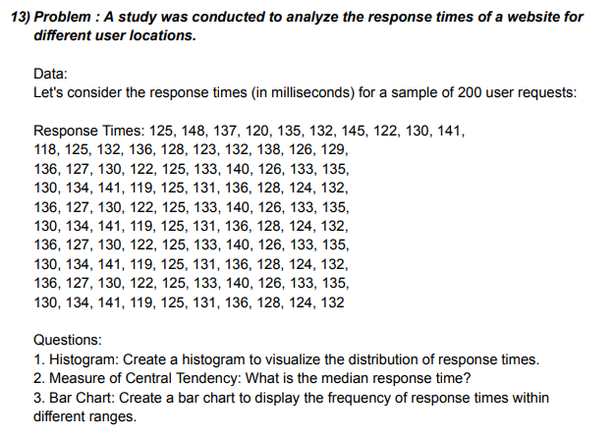
Responses
 | Bin | Frequency
115 - 120 | 120 | 6
120 - 125 | 125 | 20
125 - 130 | 130 | 24
130 - 135 | 135 | 28
135 - 140 | 140 | 15
140 - 145 | 145 | 6
145 - 150 | 150 | 1
 | 0 | 0
DATA |  |  |  |  | Class-Interval | Bin | Frequency | 2. MEDIAN |  | 3. BAR GRAPH
125 | 136 | 136 | 136 | 136 | 115 - 120 | 120 | 6 | MEDIAN | 130.5
148 | 127 | 127 | 127 | 127 | 120 - 125 | 125 | 20
137 | 130 | 130 | 130 | 130 | 125 - 130 | 130 | 24
120 | 122 | 122 | 122 | 122 | 130 - 135 | 135 | 28
135 | 125 | 125 | 125 | 125 | 135 - 140 | 140 | 15
145 | 133 | 133 | 133 | 133 | 140 - 145 | 145 | 6
122 | 140 | 140 | 140 | 140 | 145 - 150 | 150 | 1
130 | 126 | 126 | 126 | 126 |  | More | 0
Responses
141 | 133 | 133 | 133 | 133
118 | 135 | 135 | 135 | 135
125 | 130 | 130 | 130 | 130
132 | 134 | 134 | 134 | 134
136 | 141 | 141 | 141 | 141
128 | 119 | 119 | 119 | 119
123 | 125 | 125 | 125 | 125
132 | 131 | 131 | 131 | 131
138 | 136 | 136 | 136 | 136
126 | 128 | 128 | 128 | 128
129 | 124 | 124 | 124 | 124
132 | 132 | 132 | 132 | 132

